Contributions
Contributions for 2023
2023
 |  | Jan |  |  |  |  |  |  |  |  |  |  |  |  |  |  |  |  |  |  |  |  |  |  |  |  |  |  |  |  |  |  |  | Feb |  |  |  |  |  |  |  |  |  |  |  |  |  |  |  |  |  |  |  |  |  |  |  |  |  |  |  |  |  |  | Mar |  |  |  |  |  |  |  |  |  |  |  |  |  |  |  |  |  |  |  |  |  |  |  |  |  |  |  |  |  |  |  |  | Apr |  |  |  |  |  |  |  |  |  |  |  |  |  |  |  |  |  |  |  |  |  |  |  |  |  |  |  |  |  |  |  | May |  |  |  |  |  |  |  |  |  |  |  |  |  |  |  |  |  |  |  |  |  |  |  |  |  |  |  |  |  |  |  |  |  |  | Jun |  |  |  |  |  |  |  |  |  |  |  |  |  |  |  |  |  |  |  |  |  |  |  |  |  |  |  |  |  |  |  | Jul |  |  |  |  |  |  |  |  |  |  |  |  |  |  |  |  |  |  |  |  |  |  |  |  |  |  |  |  |  |  | Aug
 | Members / Date | 1 | 2 | 3 | 4 | 5 | 6 | 7 | 8 | 9 | 10 | 11 | 12 | 13 | 14 | 15 | 16 | 17 | 18 | 19 | 20 | 21 | 22 | 23 | 24 | 25 | 26 | 27 | 28 | 29 | 30 | 31 |  | 1 | 2 | 3 | 4 | 5 | 6 | 7 | 8 | 9 | 10 | 11 | 12 | 13 | 14 | 15 | 16 | 17 | 18 | 19 | 20 | 21 | 22 | 23 | 24 | 25 | 26 | 27 | 28 | Tym | FNB | New | 1 | 2 | 3 | 4 | 5 | 6 | 7 | 8 | 9 | 10 | 11 | 12 | 13 | 14 | 15 | 16 | 17 | 18 | 19 | 20 | 21 | 22 | 23 | 24 | 25 | 26 | 27 | 28 | 29 | 30 | 31 |  |  | 1 | 2 | 3 | 4 | 5 | 6 | 7 | 8 | 9 | 10 | 11 | 12 | 13 | 14 | 15 | 16 | 17 | 18 | 19 | 20 | 21 | 22 | 23 | 24 | 25 | 26 | 27 | 28 | 29 | 30 |  |  | 1 | 2 | 3 | 4 | 5 | 6 | 7 | 8 | 9 | 10 | 11 | 12 | 13 | 14 | 15 | 16 | 17 | 18 | 19 | 20 | 21 | 22 | 23 | 24 | 25 | 26 | 27 | 28 | 29 | 30 | 31 |  |  |  |  | 1 | 2 | 3 | 4 | 5 | 6 | 7 | 8 | 9 | 10 | 11 | 12 | 13 | 14 | 15 | 16 | 17 | 18 | 19 | 20 | 21 | 22 | 23 | 24 | 25 | 26 | 27 | 28 | 29 | 30 |  |  | 1 | 2 | 3 | 4 | 5 | 6 | 7 | 8 | 9 | 10 | 11 | 12 | 13 | 14 | 15 | 16 | 17 | 18 | 19 | 20 | 21 | 22 | 23 | 24 | 25 | 26 | 27 | 28 | 29 | 30 | 31 | 1 | 2 | 3 | 4 | 5 | 6 | 7 | 8 | 9 | 10 | 11 | 12 | 13 | 14 | 15 | 16 | 17 | 18 | 19 | 20 | 21 | 22 | 23 | 24 | 25 | 26 | 27
1 | Brian Murugami |  |  |  |  |  |  |  |  |  |  |  |  |  |  |  |  |  |  |  |  |  |  |  |  |  |  |  |  |  | 500 |  | 1 |  |  |  |  |  |  |  |  |  |  |  |  |  |  |  |  |  |  |  |  |  |  |  |  |  |  |  |  | 17 | 11 | 0 |  |  | 500 |  |  |  |  |  |  |  |  |  |  |  |  |  |  |  |  |  |  |  |  |  |  |  |  |  |  |  |  | 31 | 28 |  |  | 500 |  |  |  |  |  |  |  |  |  |  |  |  |  |  |  |  |  |  |  |  |  |  |  |  |  |  |  | 30 | 27 |  | 500 |  |  |  |  |  |  |  |  |  |  |  |  |  |  |  |  |  |  |  |  |  |  |  |  |  |  |  |  |  | 26 | 24 | 5 |  |  | 500 |  |  |  |  |  |  |  |  |  |  |  |  |  |  |  |  |  |  |  |  |  |  |  |  |  |  |  |  | 5 | 3
2 | Morena Dlamini |  |  |  |  |  |  |  |  |  |  |  |  |  |  |  |  |  |  |  |  |  |  |  |  |  |  |  |  |  | 500 |  | 1 |  |  |  |  |  |  |  |  |  |  |  |  |  |  |  |  |  |  |  |  |  |  |  |  |  |  | 500 |  | 17 | 11 | 1 |  |  |  |  |  |  |  |  |  |  |  |  |  |  |  |  |  |  |  |  |  |  |  |  |  |  |  |  |  |  |  | 31 | 0 |  |  |  |  |  |  |  |  |  |  |  |  |  |  |  |  |  |  |  |  |  |  |  |  |  |  |  |  |  |  | 30 | 0 |  | 1000 |  |  |  |  |  |  |  |  |  |  |  |  |  |  |  |  |  |  |  |  |  |  |  |  | 500 |  |  |  |  | 26 | 24 | 5 | 4 |  |  |  |  |  |  |  |  |  |  |  |  |  |  |  |  |  |  |  |  |  |  |  |  |  |  |  |  |  |  | 5
TYME BANK
FNB
3 | George Nyirenda |  |  |  |  |  |  |  |  |  |  |  |  |  |  |  |  |  |  |  |  |  |  |  |  |  |  |  | 500 |  |  |  | 3 |  |  |  |  |  |  |  |  |  |  |  |  |  |  |  |  |  |  |  |  |  |  |  |  |  |  | 500 |  | 17 | 11 | 1 |  |  |  |  |  |  |  |  |  |  |  |  |  |  |  |  |  |  |  |  |  |  |  |  |  |  | 500 |  |  |  |  | 31 | 4 |  |  |  |  |  |  |  |  |  |  |  |  |  |  |  |  |  |  |  |  |  |  |  |  |  | 500 |  |  |  |  | 30 | 4 |  |  |  |  |  |  |  |  |  |  |  |  |  |  |  |  |  |  |  |  |  |  |  |  |  |  | 500 |  |  |  |  | 26 |  | 5 | 4 |  |  |  |  |  |  |  |  |  |  |  |  |  |  |  |  |  |  |  |  |  |  |  |  |  |  |  |  |  |  | 5
4 | Hedron Tshwale |  |  |  |  |  |  |  |  |  |  |  |  |  |  |  |  |  |  |  |  |  |  |  |  |  |  |  | 500 |  |  |  | 3 |  |  |  |  |  |  |  |  |  |  |  |  |  |  |  |  |  |  |  |  |  |  |  |  | 500 |  |  |  | 17 | 11 | 3 |  |  |  |  |  |  |  |  |  |  |  |  |  |  |  |  |  |  |  |  |  |  |  |  | 500 |  |  |  |  |  |  | 31 | 6 |  |  |  |  |  |  |  |  |  |  |  |  |  |  |  |  |  |  |  |  |  |  |  |  |  | 500 |  |  |  |  | 30 | 4 |  |  |  |  |  |  |  |  |  |  |  |  |  |  |  |  |  |  |  |  |  |  |  |  |  |  | 500 |  |  |  |  | 26 |  | 5 | 4 |  |  |  |  |  |  |  |  |  |  |  |  |  |  |  |  |  |  |  |  |  |  |  |  |  |  |  |  |  |  | 5
5 | Dumisani Ntshangase |  |  |  |  |  |  |  |  |  |  |  |  |  |  |  |  |  |  |  |  |  |  |  |  |  |  |  |  |  |  | 500 | 0 |  |  |  |  |  |  |  |  |  |  |  |  |  |  |  |  |  |  |  |  |  |  |  |  |  |  | 500 |  | 17 | 11 | 1 |  |  |  |  |  |  |  |  |  |  |  |  |  |  |  |  |  |  |  |  |  |  |  |  |  |  |  |  |  |  | 500 | 31 | 0 |  |  |  |  |  |  |  |  |  |  |  |  |  |  |  |  |  |  |  |  |  |  |  |  |  |  |  |  |  |  | 30 | 0 |  |  |  |  | 500 |  |  |  |  |  |  |  |  |  |  |  |  |  |  |  |  |  |  |  |  |  |  |  |  |  |  | 26 | 21 | 5 |  |  |  |  |  |  |  |  |  |  |  |  |  |  |  |  |  |  |  |  |  |  |  |  |  |  |  |  |  |  |  | 5
6 | Eugene Hopper |  |  |  |  |  |  |  |  |  |  |  |  |  |  |  |  |  |  |  |  |  |  |  |  |  | 500 |  |  |  |  |  | 5 |  |  |  |  |  |  |  |  |  |  |  |  |  |  |  |  |  |  |  |  |  |  |  | 500 |  |  |  |  | 17 | 11 | 4 |  |  |  |  |  |  |  |  |  |  |  |  |  |  |  |  |  |  |  |  |  |  |  | 500 |  |  |  |  |  |  |  | 31 | 7 |  |  |  |  |  |  |  |  |  |  |  |  |  |  |  |  |  |  |  |  |  |  |  |  | 500 |  |  |  |  |  | 30 | 5 |  |  |  |  |  |  |  |  |  |  |  |  |  |  |  |  |  |  |  |  |  |  |  |  | 500 |  |  |  |  |  |  | 26 | 0 | 5 | 0 |  |  |  |  |  |  |  |  |  |  |  |  |  |  |  |  |  |  |  |  |  |  |  |  |  |  |  |  |  |  | 5
7 | Mulaudzi |  |  |  |  |  |  |  |  |  |  |  |  |  |  |  |  |  |  |  |  |  |  |  |  |  |  |  |  |  |  | 0 | 0 |  |  |  |  |  |  |  |  |  | 500 |  |  |  |  |  |  |  |  |  |  |  |  |  |  |  |  |  |  | 7 | 11 | 0 |  |  |  |  |  |  |  |  |  |  |  |  |  |  |  |  |  |  |  |  |  |  |  |  |  |  |  |  |  |  |  | 31 | 0 |  |  |  |  |  |  |  |  |  |  |  |  |  |  |  |  |  |  |  |  |  |  |  |  |  |  |  |  |  |  | 30 | 0 |  |  |  |  |  |  |  |  |  |  |  |  |  |  |  |  |  |  |  |  |  |  |  |  |  |  |  |  |  |  |  | 26 |  | 5 |  |  |  |  |  |  |  |  |  |  |  |  |  |  |  |  |  |  |  |  |  |  |  |  |  |  |  |  |  |  |  | 5
8 | Nathan Watson |  |  |  |  |  |  |  |  |  |  |  |  |  |  |  |  |  |  |  |  |  |  |  |  |  |  |  |  |  |  | 0 | 0 |  |  |  |  |  |  |  |  |  |  |  |  |  |  |  |  |  |  |  |  |  |  |  |  |  |  |  |  | 0 | 0 |  |  |  |  |  |  |  |  |  |  |  |  |  |  |  |  |  |  |  |  |  |  |  |  |  |  |  |  |  |  |  |  | 0 | 0 |  |  |  |  |  |  |  |  |  |  |  |  |  |  |  |  |  |  |  |  |  |  |  |  |  |  |  |  |  |  | 0 |  |  |  |  |  |  |  |  |  |  |  |  |  |  |  |  |  |  |  |  |  |  |  |  |  |  |  |  |  |  |  |  | 0
 | Day of Week | S | M | T | W | T | F | S | S | M | T | W | T | F | S | S | M | T | W | T | F | S | S | M | T | W | T | F | S | S | M | T |  | W | T | F | S | S | M | T | W | T | F | S | S | M | T | W | T | F | S | S | M | T | W | T | F | S | S | M | T | 17 | 11 |  | W | T | F | S | S | M | T | W | T | F | S | S | M | T | W | T | F | S | S | M | T | W | T | F | S | S | M | T | W | T | F | 31 |  | S | S | M | T | W | T | F | S | S | M | T | W | T | F | S | S | M | T | W | T | F | S | S | M | T | W | T | F | S | S | 30 |  | M | T | W | T | F | S | S | M | T | W | T | F | S | S | M | T | W | T | F | S | S | M | T | W | T | F | S | S | M | T | W | 26 |  | 5 |  |  |  |  |  |  |  |  |  |  |  |  |  |  |  |  |  |  |  |  |  |  |  |  |  |  |  |  |  |  |  | 5

 | Total Monthly Collections | Jan |  | R3,000.00
 |  | Feb |  | R3,000.00
 |  | Mar |  | R2,500.00
Days while under TymeBank with 4% Interst
Days while under FNB with 6.05% Interest
Days while under FNB with 6.55% Interest
Days while under FNB with 7.05% Interest
 |  | Apr |  | R2,000.00
 |  | May |  | R4,000.00
FNB Interest Rates Change to 6.55%
FNB Interest Rates Change to 7.05%
 |  | Jun |  | R500.00
 |  | Jul |  | R-
 |  | Aug |  | R-
 |  | Sep |  | R-
 |  | Oct |  | R-
 |  | Nov |  | R-
 |  | Dec |  | R-
Days of missed payments by active members
 |  |  |  | R15,000.00
 | Late / No Contributions: |  |  |  |  |  |  |  |  |  |  |  | Value
 | Brother Nathan | 124 | Total Days |  |  |  |  |  |  |  |  |  | R2,500.00 |  |  | Count Excludes 1st Day of the first month that was missed
 |  | 5 | Missed Contributions
 | Brother Mulaudzi | 96 | Total Days |  |  |  |  |  |  |  |  |  | R2,000.00
 |  | 4 | Missed Contributions
 | Brother Dumisani | 4 | Total Days |  |  |  |  |  |  |  |  |  | R500.00 |  |  | Request to ammend date of contribution
 | Gave Notice with Reason | 1 | Missed Contributions

Bank Rates
Nedbank |  |  |  | Standard Bank |  |  |  | FNB |  |  |  |  |  | This is a Rough Draft - See "2023 Projections for Detailed Cals"
Stokvel account interest rates and fees | Nedbank |  |  |  | Stokvel savings - Apply now | Standard Bank |  |  |  | Transactional Accounts | Rates and Pricing | FNB |  |  |  |  | 8 | Comparisons | Nedbank | SBSA | FNB
Balance | Rate p/a |  | Not Important | Balane | Rate p/a |  | Not Important | Balane | NIR p/a | AER p/a |  | Not Important |  | R48,000.00 | R50,040.00 | R49,824.00 | R50,880.00
R0.00 - R999 | None |  |  | R0.00 - R999 | 3.20% | 999 | R1,030.97 | R1.00 - R19,999 | 5.80% | 5.96% | 19999 | R21,190.94 |  | R72,000.00 | R75,420.00 | R75,096.00 | R76,716.00
R1,000 - R9,999 | 4.00% | 9999 | R10,398.96 | R1,000 - R9,999 | 3.55% | 9999 | R10,353.96 |  |  |  |  |  |  | R96,000.00 | R101,040.00 | R100,128.00 | R102,288.00
R10,000 - R49,999 | 4.25% | 49999 | R52,123.96 | R10,000 - R49,999 | 3.80% | 49999 | R51,898.96
 |  |  |  |  |  |  |  | R20,000 - R24,999 | 6.00% | 6.17% | 25999 | R27,603.14

 |  |  |  |  |  |  |  | R25,000 - R74,999 | 6.45% | 6.64% | 75999 | R81,045.33
R50,000 - R74,999 | 4.75% | 74999 | R78,561.45 | R50,000 - R99,999 | 4.30% | 99999 | R104,298.96
R75,000 - R99,999 | 5.25% | 99999 | R105,248.95 |  |  |  |  | R75,000 - R99,999 | 6.55% | 6.75% | 99999 | R106,748.93
R100,000 + | 5.75% | 100000 | R105,750.00 | R100,000 + | 5.05% | 100000 | R105,050.00 | R100,000 + | 6.55% | 6.75% | 100000 | R106,750.00
everyday-banking-fees-2023.pdf
How to open a Stokvel account | Nedbank
 |  |  |  | Stokvel savings - Apply now | Standard Bank |  |  |  | Stokvel Account | Savings Accounts | FNB
Advantages | Disadvantages |  |  | Advantages | Disadvantages |  |  | Advantages | Disadvantages
 | Not much was found on this bank's |  |  | Capital is guaranteed | 5+ Members at the branch |  |  | Most compatitive rates
 | pro's and con's pertaining to |  |  |  | 3 or 4 signatories |  |  | Ease of acces via app
 | our stokvel objectives |  |  |  | Pay monthly fees under if under R10'000 |  |  | Free cash deposists
 |  |  |  |  |  |  |  | Signatories can invite members to stokvel
 |  |  |  |  | Cash deposit fees apply
 |  |  |  |  | Only 1st 5 cash deposits are free |  |  | Signatories can edit or delete members from stokvel
 |  |  |  |  | Automatically placed into a lottery system for monthly cash prizes
 |  |  |  |  |  |  |  | Only 3 signatories requred to open the account at the branch

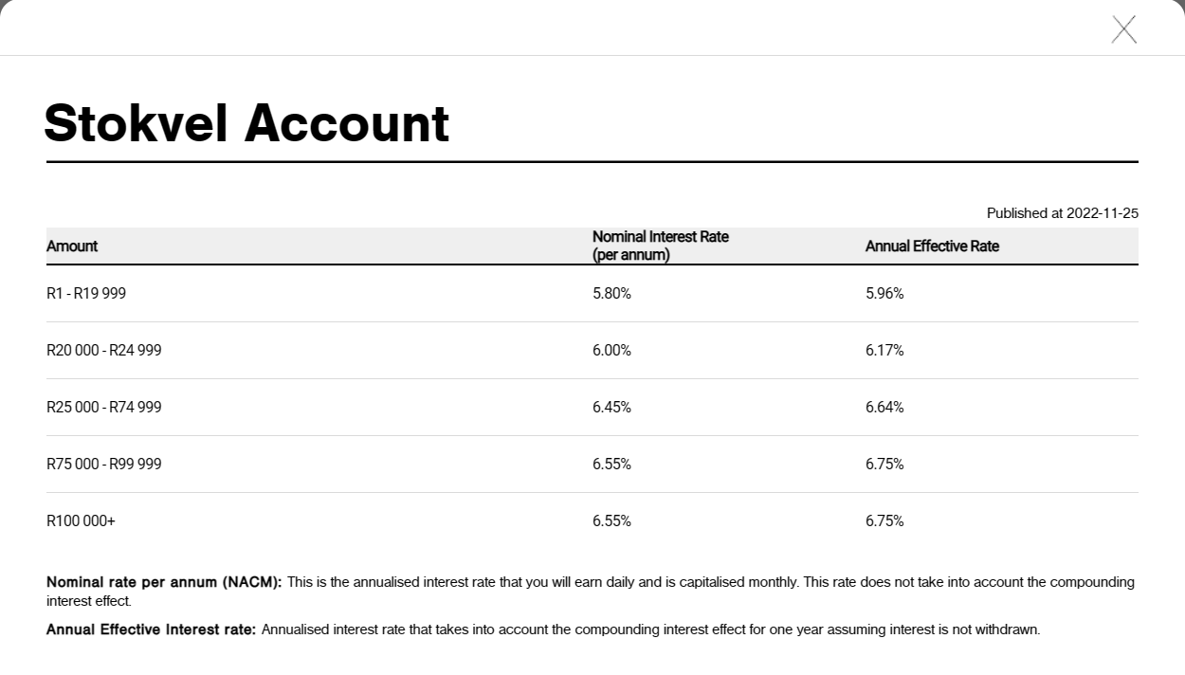
 |  |  |  |  | Least compatitive rates
 |  |  |  |  |  |  |  | No monthly fees


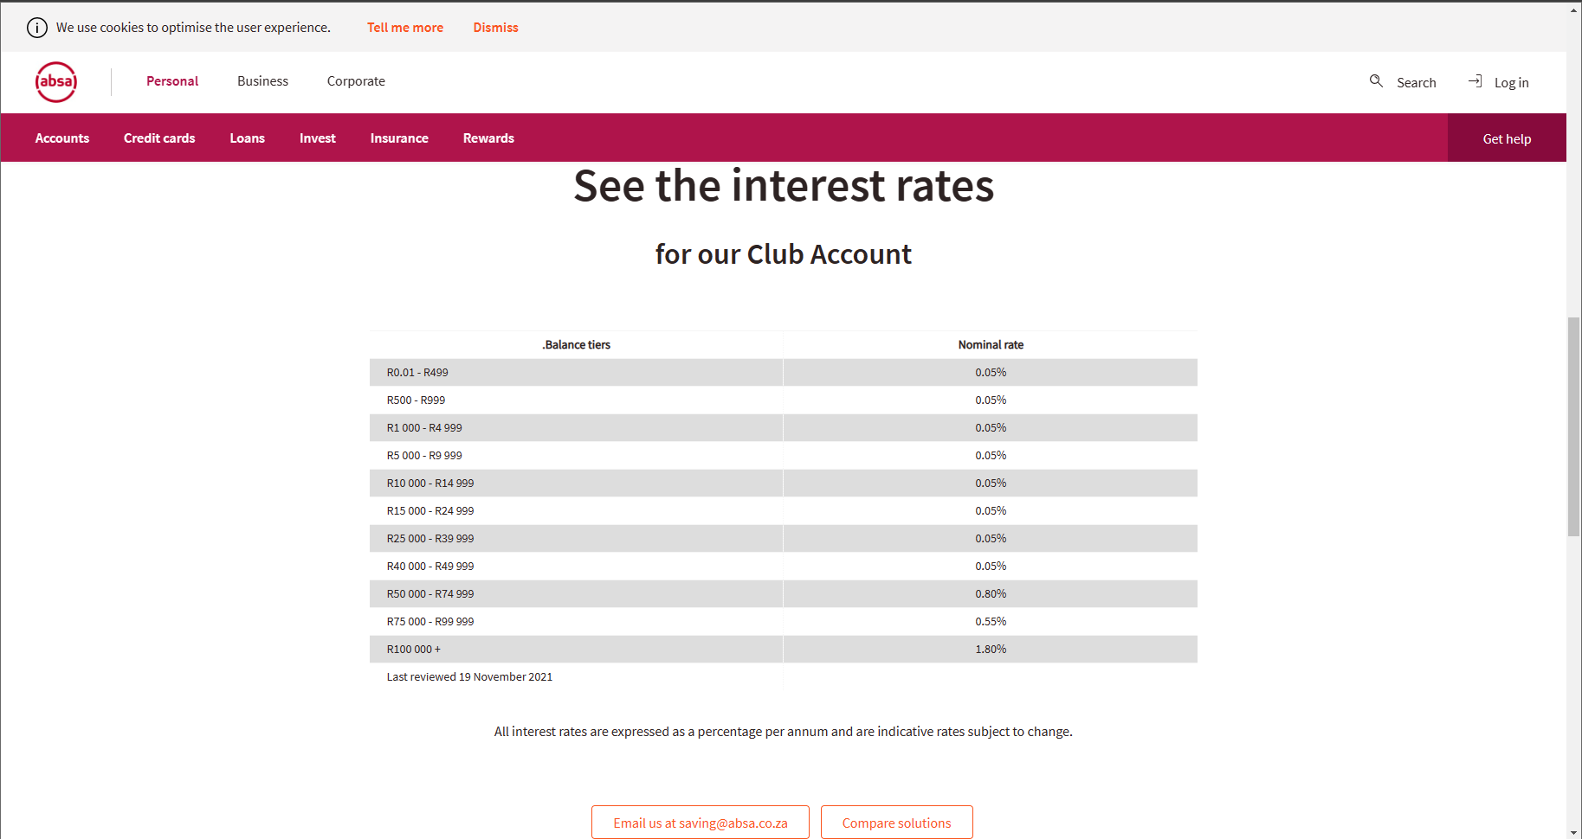

 |  |  |  |  |  |  | It Shall Be Light In The Evening Time

 |  |  |  |  |  |  | Long ago the maids drew water
 |  |  |  |  |  |  | In the evening time, they say
 |  |  |  |  |  |  | One day Isaac sent his servant
 |  |  |  |  |  |  | To stop Rebekah on her way
 |  |  |  |  |  |  | "My master sent me here to tell thee;
 |  |  |  |  |  |  | See these jewels rich and rare;
 |  |  |  |  |  |  | Would'st thou not his lovely bride be
 |  |  |  |  |  |  | In that country over there?"

 |  |  |  |  |  |  | Chorus
 |  |  |  |  |  |  | (G)It shall be light in the evening time,
 |  |  |  |  |  |  | The path to (C)glory you will (G)surely find;
 |  |  |  |  |  |  | Thru the (D)water way, It is the (G)light today,
 |  |  |  |  |  |  | Buried in the precious Name of Jesus.
 |  |  |  |  |  |  | Young and (G)old, repent of (C)all your sin,
 |  |  |  |  |  |  | The Holy (G)Ghost will surely enter in;
 |  |  |  |  |  |  | The evening Light has come,
 |  |  |  |  |  |  | It is a fact that God and (D)Christ are (G)one.

 |  |  |  |  |  |  | So, God's servants come to tell you
 |  |  |  |  |  |  | Of a Bridegroom in the sky
 |  |  |  |  |  |  | Looking for a holy people
 |  |  |  |  |  |  | To be his bride soon, by and by
 |  |  |  |  |  |  | He sends to us refreshing water
 |  |  |  |  |  |  | In this wondrous latter day
 |  |  |  |  |  |  | They who really will be raptured
 |  |  |  |  |  |  | Must go thru the water way

 |  |  |  |  |  |  | Are you on your way to ruin
 |  |  |  |  |  |  | Cumbered with a load of care
 |  |  |  |  |  |  | See the quick work God is doing
 |  |  |  |  |  |  | That so his glory you may share
 |  |  |  |  |  |  | At last the faith he once delivered
 |  |  |  |  |  |  | To the saints, is ours today
 |  |  |  |  |  |  | To get in the church triumphant
 |  |  |  |  |  |  | You must go the water way

 |  |  |  |  |  |  | Have you looked and often wondered
 |  |  |  |  |  |  | Why the power is slack today
 |  |  |  |  |  |  | Will you stay in that back number
 |  |  |  |  |  |  | And go on in the man-made way
 |  |  |  |  |  |  | O saints who never have been buried
 |  |  |  |  |  |  | In the blessed name of God
 |  |  |  |  |  |  | Let the truth now sanctify you
 |  |  |  |  |  |  | It's the way apostles trod

